UPDATED MAXIMUM INTERFERENCE
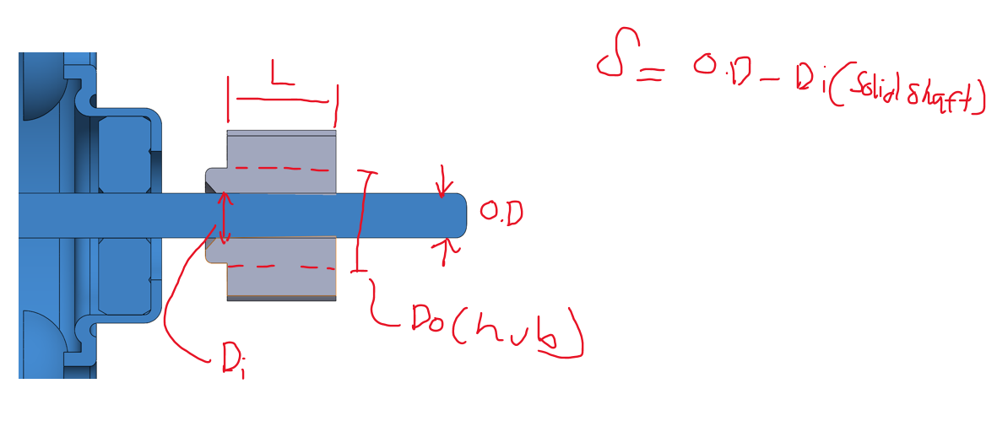
PRESS FIT CALCULATOR FOR PULL-OUT FORCE, STRIPPING TORQUE AND PRESSING FACTOR OF SAFETY WITH DRAFT ANGLE CONSIDERATION

Symbol | Description | Value | Unit | Note
Di | Hole diameter | 2.05 | mm | ID of the hole/boss hole/gear hole
Do | OD of the hole | 5.7 | mm | OD of the hole/boss/gear hub
ID | Inside diameter (of a hollow shaft) | 0 | mm | ID = 0 if Shaft is solid
OD | Shaft diameter (Outer) | 2.305 | mm | OD shaft = Shaft diameter if shaft is solid
L | Engagement length | 5.5 | mm | Effective engagement length
Eh | Modulus of Elasticity for hole | 2760 | Mpa | Modulus of elasticity for POM
Es | Modulus of Elasticity for shaft | 190000 | Mpa | Modulus of elasticity for Stainless steel
vh | Poisson's ratio for hole | 0.4 | - | Poisson's ratio for POM
vs | Poisson's ratio for shaft | 0.35 | - | Poisson's ratio for Stainless steel
uh | coefficient of friction for shaft | 0.3 | - | Stainless steel COF
us | coefficient of friction for hole | 0.11 | - | POM COF
u | Effective COF | 0.11 | - | Smallest COF between 2 materials
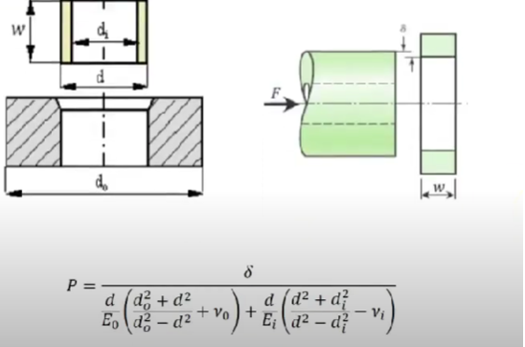
x | Radial interference | 0.1275 | mm | Interference between shaft and hole
HOLE SIDE | EQUATION | 0.001495740041 | - | Equation
SHAFT SIDE | EQUATION | 7.8855263158E-06 | - | Equation
TOTAL | EQUATION | 0.0015036255673 | - | Equation
θ | Draft Angle | 0.03 | deg | DRAFT ANGLE
x' | Flared width | 0.002879793529 | mm | WIDTH OF THE ID MEASURED FROM THE TOP
r1 | Draft Angle contact ratio | 0.98870669204 | - | CONTACT RATIO DUE TO DRAFT
r2 | Draft Angle contact ratio | 22.137003698 | - | CONTACT RATIO DUE TO DRAFT
r | effecitve draft angle contact ratio | 0.98870669204 | - | EFFECTIVE CONTACT RATIO DUE TO DRAFT
P | CONTACT PRESSURE | 84.795046566 | Mpa | Interference fit pressure between shaft and hole
P | Effective Contact pressure | 65 | Mpa | Effective Contact pressure
F | PULL OUT FORCE | 29.028228052 | Kg | Maximum force the fit can ahandle before strip
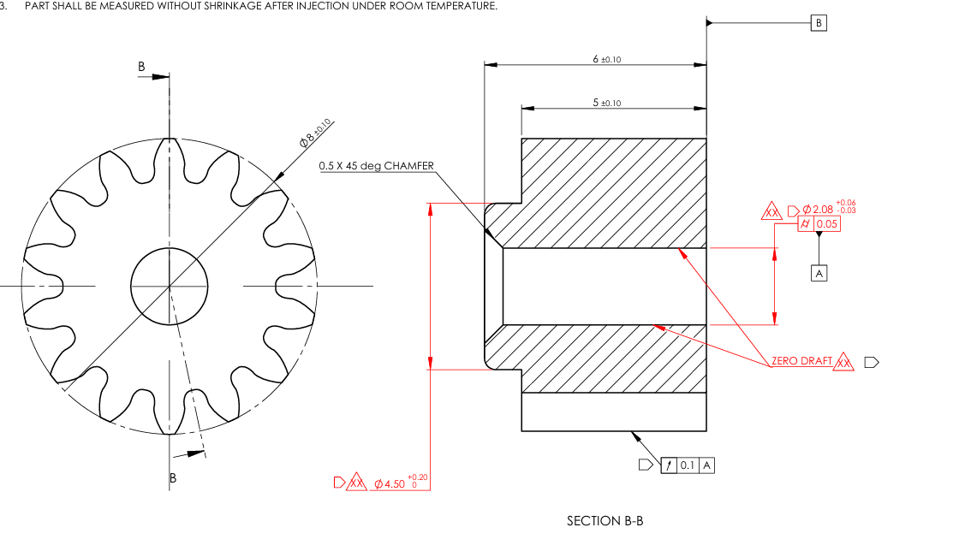
Ts | STRIPPING TORQUE | 328.19387206 | N-mm | Maximum torque the fit can ahandle before strip
YS | YIELD STRENGTH OF WEAKEST MATERIAL | 65 | Mpa | YIELD STRENGTH OF POM
FS1 | PRESSING FACTOR OF SAFETY | 1 | - | TO DETERMINE IF PART WILL BREAK OR NOT BASED ON YIELD STRENGTH
ELONGATION | % ELONGATION DURING PRESSING | 6.9863013699 | % | PERCENTAGE ELONGATION TO DETERMINE IF PART WILL BREAK OR NOT
% ELONGATION | % ELONGATION AT BREAK OF WEAKEST MATERIAL | 30 | % | Elongation at break for POM
FS2 | PRESSING FACTOR OF SAFETY | 4.2941176471 | - | FACTOR OF SAFETY FOR BRITTLE MATERIALS TO CHECK IF PARTS WILL BREAK OR NOT BASED ON ELONGATION

MAXIMUM INTERFERENCE
PRESS FIT CALCULATOR FOR PULL-OUT FORCE, STRIPPING TORQUE AND PRESSING FACTOR OF SAFETY WITH DRAFT ANGLE CONSIDERATION
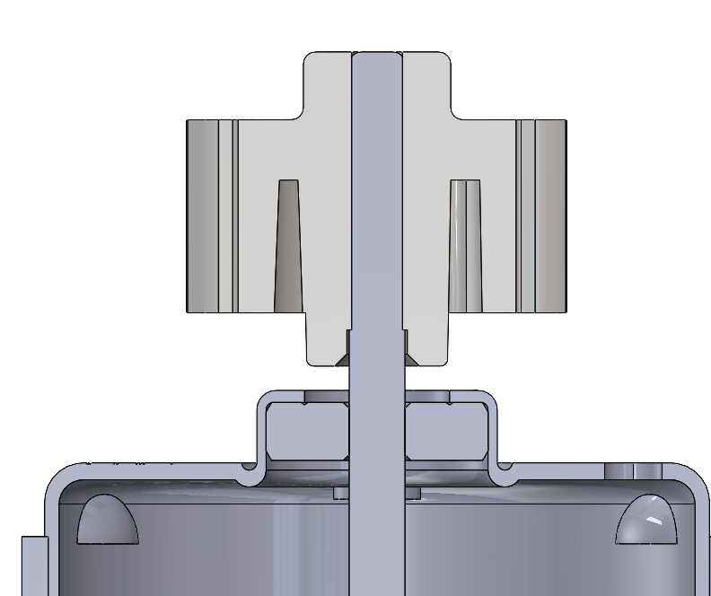

Symbol | Description | Value | Unit | Note
Di | Hole diameter | 2.05 | mm | ID of the hole/boss hole/gear hole
Do | OD of the hole | 5.84 | mm | OD of the hole/boss/gear hub
ID | Inside diameter (of a hollow shaft) | 0 | mm | ID = 0 if Shaft is solid
OD | Shaft diameter (Outer) | 2.3 | mm | OD shaft = Shaft diameter if shaft is solid
L | Engagement length | 10 | mm | Effective engagement length
Eh | Modulus of Elasticity for hole | 2760 | Mpa | Modulus of elasticity for POM
Es | Modulus of Elasticity for shaft | 190000 | Mpa | Modulus of elasticity for Stainless steel
vh | Poisson's ratio for hole | 0.4 | - | Poisson's ratio for POM
vs | Poisson's ratio for shaft | 0.35 | - | Poisson's ratio for Stainless steel
uh | coefficient of friction for shaft | 0.3 | - | Stainless steel COF
us | coefficient of friction for hole | 0.11 | - | POM COF
u | Effective COF | 0.1 | - | Smallest COF between 2 materials
x | Radial interference | 0.125 | mm | Interference between shaft and hole
HOLE SIDE | EQUATION | 0.001472635193 | - | Equation
SHAFT SIDE | EQUATION | 7.8684210526E-06 | - | Equation
TOTAL | EQUATION | 0.001480503614 | - | Equation
θ | Draft Angle | 0.5 | deg | DRAFT ANGLE
x' | Flared width | 0.087268677908 | mm | WIDTH OF THE ID MEASURED FROM THE TOP
r1 | Draft Angle contact ratio | 0.65092528837 | - | CONTACT RATIO DUE TO DRAFT
r2 | Draft Angle contact ratio | 0.71617906331 | - | CONTACT RATIO DUE TO DRAFT
r | effecitve draft angle contact ratio | 0.65092528837 | - | EFFECTIVE CONTACT RATIO DUE TO DRAFT
P | CONTACT PRESSURE | 54.958096877 | Mpa | Interference fit pressure between shaft and hole
F | PULL OUT FORCE | 40.479989075 | Kg | Maximum force the fit can ahandle before strip
Ts | STRIPPING TORQUE | 456.67499675 | N-mm | Maximum torque the fit can ahandle before strip
YS | YIELD STRENGTH OF WEAKEST MATERIAL | 62 | Mpa | YIELD STRENGTH OF POM
FS1 | PRESSING FACTOR OF SAFETY | 1.128132223 | - | TO DETERMINE IF PART WILL HAVE PERMANENT DEFORMATION
ELONGATION | % ELONGATION DURING PRESSING | 6.5963060686 | % | PERCENTAGE ELONGATION TO DETERMINE IF PART WILL BREAK OR NOT
% ELONGATION | % ELONGATION AT BREAK OF WEAKEST MATERIAL | 30 | % | Elongation at break for POM
FS2 | PRESSING FACTOR OF SAFETY | 4.548 | - | FACTOR OF SAFETY FOR BRITTLE MATERIALS TO CHECK IF PARTS WILL BREAK OR NOT BASED ON ELONGATION

